Sheet1
 |  | Document No. | Issue No. | Issue Date |  | Review and Replace Date |  |  | Authorised By
 |  | GFF471MC | 1 | 02.10.2024 |  | New Document |  |  | Magda Shah
 |  | Document Title | 6 BBQ Pulled Beef Rolls Kit 190G
Document amendments reason for change |  | New Document |  |  | Page 1 of 1 | Previous Issue Date | New Document |  | Uncontrolled copy unless signed original

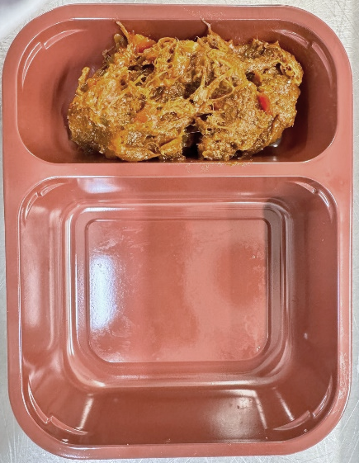
CBMRB-R1TEB | BOOTHS - XMAS |  | 6 BBQ Pulled Beef Rolls Kit 190G
STEP 1 |  |  |  |  | STEP 2
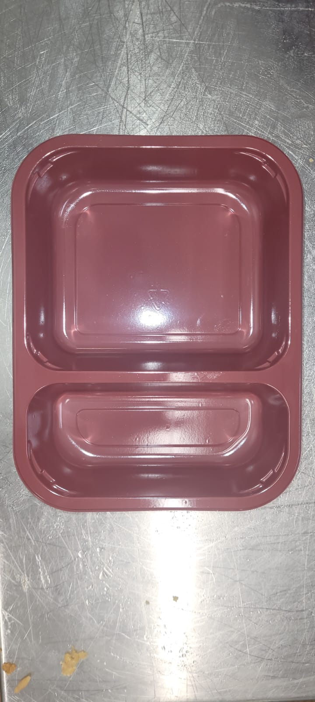

Tray: EVOLVE CPET 2200-2C (PKRHP001-16) |  |  |  |  | Xmas BBQ Pulled Beef Mix (GFF495R): 130g
Film: AF Weld Film (270mmX1000lm)-(PKKMP001-06)
STEP 3
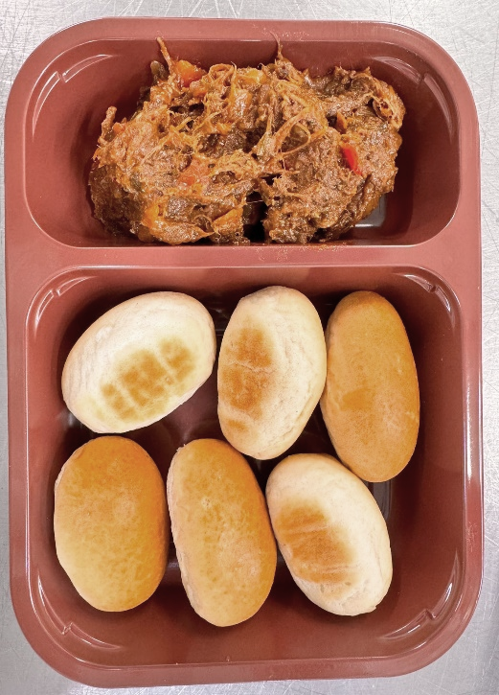

6 x Mini Hot Dog rolls (RMMON001-02): 60g |  |  |  |  |  |  |  | TOTAL WEIGHT: 190g

ALLERGY ALERT: Barley, Egg, Milk, Mustard, Wheat

